1. Title Page
Instacart Grocery Basket Analysis

Project Name: Instacart Grocery Basket Analysis
Date: 03/11/2023
Analyst Name: BABAFEMI OLAYINKA

 | Contents:
 | Population Flow
 | Consistency checks
 | Wrangling steps
 | Column derivations
 | Visualizations
 | Recommendations

 | Dataframes and citation:
 | Instacart Data Sets:
 | ● Customers Data Set
 | ● Data Dictionary | Citation: “The Instacart Online Grocery Shopping Dataset

2017”, Accessed from https://www.instacart.com/datasets/grocery-shopping-2017 on <10 Jan 2023>.

2. Population Flow
 |  | Title page

Population flow

Exclusion flag
Condition: max_order <
Obervations to be removed:
Final total count of order_products_all: I have to make use of my subset df_new_products_sub from my entire df that contains only 2 million rows then merging it with my d_customer to get to the conclusion of df_products_all 2027234 Due to space.

Orders_products_combined
Orders_products_merged
Orders_products_all

Total:
Total: 32434489
Total:
35855572 | 2027234

1.) The grey boxes in the first row of the population flow represent the original data sets as they were when you downloaded them. In the Total fields you need to add the count of the rows when you imported the data set into Jupyter.
2.) The second row of boxes (coloured) represents the data sets after you manipulated them, e.g., removed missing values and duplicates. In the Total fields you need to add the count of the rows after conducting these operations. This offers a visual oveview of how the data flows throughout the data consistency checks.
3.) The third row, where also the arrows are coloured, represents the merges you performed between the datasets. In the Total fields you need to add the count of the rows in the merged datasets, so that you end up with the final dataset (in the red box). Keep in mind the final dataset should be without exclusions (based on the exclusion flag).

3. Consistency checks
 |  |  |  | Title page
Consistency checks

Dataset | Missing values | Missing values treatment | Duplicates
orders | 206209 values from column number of days between orders | I Created a new df for only the missing rows, which represented customers who have not make an order yet. And also use the median value of the column name to replace the missing rows | There was no duplicates values in the order
products | 16 values from column from product name | I filter out the column/rows that aren’t missing any values into a subset dataframe df_prods_clean and continue my analysis with this new dataframe. | There were 5 duplicates value in the product df and was addressed by creating a new dataframe df_prods_clean that do not include the duplicates from the old dataframe df_prods
orders_products_prior | N/A | n.a | There was a duplicate column for index column and was name: Unnamed: 0. I did dropped that duplicate column because I only need the index column to refer to my rows.
customers | n/a | There was no missing values in the remaining column. I have dropped the first name and surname which was due to PII. There was no duplicates

4. Wrangling steps
 |  |  | Title page
Wrangling steps

Dataframe | Columns dropped | Columns renamed | Columns' type changed | Comment/Reason
Orders |  |  | order_id has been changed to 'str' | eval_set has no meaning to the data to be analyzed, it redundant. I changed the data type because I want to run the descriptive statistics of relevant column alone
 |  |  | The data type of the "user_id" column has been changed from number to string. | This will make describe() function ignore string values when calculating descriptive statistics
 | eval_set |  |  | The data didn't have an impact on analysis
 |  |  | order_number' ('int64') to ('int8')
 | unnamed column 0 was dropped |  | orders_day_of_week' ('int64') to ('int8')
 |  |  | order_time_of_day' ('int64') to ('int8')
 |  |  | days_since_prior_order' from ('float64') to ('float16')
 |  | column days_since_prior_order was changed to number_of_days_between_orders |  | To make the column name more succinct

Departments |  |  |  | Transposed to create a department dictionary
Products |  |  | aisle_id' from ('int64') to ('int8') | To save memory and merge faster
 |  |  | department_id' from ('int64') to ('int8') | To save memory and merge faster
 |  |  | prices' from ('float64') to ('float16') | To save memory and merge faster
 |  |  | product_id' from ('float64') to ('float16') | To save memory and merge faster
 |  |  | add_to_cart_order' from ('float64') to ('float16') | To save memory and merge faster
 |  |  | reordered' from ('float64') to ('float16') | To save memory and merge faster
Customers |  |  | age' from ('int64') to ('int8')
 |  |  | no_of_dependents' from ('int64') to ('int8')
 |  |  | income' from ('int64') to ('int32')
 |  | STATE' has been changed to: 'State' |  | To keep name consistent with other column titles' format
 | First Name' has been dropped |  |  | To keep name consistent with other column titles' format
 | Surnam' has been dropped |  |  | To keep name clear and consistent with other column titles
 |  |  |  | To keep name consistent with other column titles' format
 |  | n_dependents as No_of_Dependents |  | To keep name clear and consistent with other column titles
 |  | fam_status as Family_Status |  | To keep name consistent with other column titles' format
 |  |  |  | How to address: Dropping these two columns in compliance to customer privacy

 |  |  |  | To keep name clear and consistent with other column titles

5. Column derivations
 |  |  |  | Title page
In this tab you should add tables below that the frequences of flags/label variables that you produced after deriving them. NB: don't do this for continuous variables, only for flags.
Column derivations and aggregations

Dataset | New column | Column/s it was derived from | Conditions
df_new_products | new column is Busiest Days | Derived from 'order_dow column | show the 2 most busiest days and the 2 most slowest days using the If statements with FOR-LOOP. My New Day fx should run through my df and filter the column 'order_dow' within all the rows and return any value with '0' & '1' as he busiest days and any value with "4" & "3" as the slowest and value apart from those stated should reflect as regular day
df_new_products | new column is Result | Derived from 'order_dow column | Show how busy each day was to tailor each ads for specific days. 'show the most busiest days and the most slowest days using the If statements with FOR-LOOP. My New Result fx should run through my df and filter the column 'order_dow' within all the rows and return any value with '0' as he busiest days and any value with "4" as the least busy and value apart from those stated should reflect as regularly busy
dt_new_products | busiest_period_of_day | derived from order_hour_of_day | Show stkholders the busiest hours of the day, using 3 values of string in the new column; Most orders, Fewest orders and Average orders. 'show the busiest hour of the days using the If statements with FOR-LOOP. My Hour [] fx was used to create the new column busiest_hour_of_the_day should run through my df and filter the column 'order_hour_of_the_day' within all the rows and return any value that has hour [10, 11, 14, 15, 13, 12, 16, 9] as Most orders, and any value with hour [23, 6, 0, 1, 5, 2, 4, 3] as the Fewest orders and any value that is not within those hours specified should reflect as Average orders.
df_new_products_merged_orders | new columns are 'price_range" & 'price_range_loc" because I used two types of format of deriving a new column |  | I was showing products by price range, after setting the values of the prices into 3 categories namely; High-range products, Mid-range products and Low-range products
df_new_products_mergd_orders | max_orders | from order_number | after the max() from Np as been applied along with the transfrom()
df_new_products_mergd_orders | loyalty_flag | from max_order | To show customer with max_orde > 40 as 'loyal_customer', customer with max_order < 10 as 'new_customer and customer with max_order <= 40 & > 10 as 'regular customer'

df_new_products | loyalty_flag | max_order | setting the criteria that a new column loyalty_flag created should show a string value of 'loyal customer' if the max_order for that row is > 40; if the max_order for that row is <= 40 and > 10; 'New customer' if the max_order for that row is < 10.
df_new_products | spending_flag | average_price | setting the criteria that a new column spending_flag created should show a string value of 'low spender' if the average_price for that row is < 10 within; 'High spender' if the average_price for that row is >= 10;
df_new_products | average_price | price | transform the price column with the mean function in Np library as average_price column
df_new_products | order_freq | days_since_prior_order | transform the days_since_prior_order with the median function in Np library as order_freq
df_new_products | order_freq_flag | order_freq | setting the criteria that a new column order_freq_flag created should show a string value of 'Regular customer' if the order_freq for that row is > 10 and <= 20 within my df; frequent customer' if the order_freq for that row is <= 10; if the order_freq (median of days_since_prior_order) for that row is > 20
 |  |  | order_freq for that row is > 10 and <= 20 within my df
df__prods_ords_customer | region | state | Creating regional segmentation so as to have each state assigned to a region.
Ncustomers | region | state | Northeast' : ['Maine', 'New Hampshire', 'Vermont', 'Massachusetts', 'Rhode Island', 'Connecticut', 'New York', 'Pennsylvania', 'New Jersey 'Midwest' : ['Wisconsin', 'Michigan', 'Illinois', 'Indiana', 'Ohio', 'North Dakota', 'South Dakota', 'Nebraska', 'Kansas', 'Minnesota', 'Iowa', 'Missouri'] 'South' : ['Delaware', 'Maryland', 'District of Columbia', 'Virginia', 'West Virginia', 'North Carolina', 'South Carolina', 'Georgia', 'Florida', 'Kentucky', 'Tennessee', 'Mississippi', 'Alabama', 'Oklahoma', 'Texas', 'Arkansas', 'Louisiana'] 'West' : ['Idaho', 'Montana', 'Wyoming', 'Nevada', 'Utah', 'Colorado', 'Arizona', 'New Mexico', 'Alaska', 'Washington', 'Oregon', 'California', 'Hawaii']
 | activity_flag | max_order | <5 : 'Low activity' >=5 : 'High activity'
 | age_category | age | To complete the profiling, we can as well grouped the ages as : Age >=18 but < 40 as Youth; Age >=40 and <65 as Middle, Age >=65 as Older
 | family_size | no_of_dependents | 0 : 'Small' 1 |2 : 'Mid size' >2 : 'Large'
 | household | marital_status & no_of_dependents | ('marital_status' = 'married') & ('no_of_dependents') = 1 : 'Couple without children' ('marital_status' = 'married') & ('no_of_dependents' >= 2) : 'Couple with children' ('marital_status' = 'divorced/widowed') | ('marital_status'= 'single') :'One person' ('marital_status' = 'divorced/widowed') & ('no_of_dependents' > 0 ) : 'Single parent' 'marital_status' = 'living with parents and siblings' : 'Other family'
 | income_category | income | any income below 50k should be categorized as low income; >= and < 100k should be categorized as 'middle-income'; 100k to <150k should be categorized as upper middle income and >= 150k should be categorized as high income
 | alcohol_drinker' | department | !='alcohol' : 'No' ='alcohol' : 'Yes'
 | household | From both family_status and No_Of_Dependents | Using 'Family_Status' == 'married' & ['Number_Of_Dependents'] == 1 then 'household' = 'Couple without children'; Family_Status == 'married' & ['Number_Of_Dependents'] >= 2 then 'household' = 'Couple with children', 'Family_Status' == 'divorced/widowed' & 'Number_Of_Dependents' == 'single' then 'household' = 'One person; 'Family_Status' == 'divorced/widowed' & 'Number_Of_Dependents' > 0 then 'household' = 'Single parent'; Family_Status' == 'living with parents and siblings', then 'household'] = 'Other family'.
 | income_category | income | any income below 50k should be categorized as low income; >= and < 100k should be categorized as 'middle-income'; 100k to <150k should be categorized as upper middle income and >= 150k should be categorized as high income
 | parents_with_baby | department | !='babies' : 'No' ='babies' : 'Yes'
 | Products type | Department_id | any dept_id with 20(deli) and 15(canned goods) should be classify as 'deli'; dept_id 14(breakfast) and 19(snack) should be classify as 'breakfast' and the rest as others. Just to profile customers by which product types between breakfast types and deli types they purchased.
 | family_size | Number_Of_Dependents | family size groups will be calssifed as: a) Small = 0 b) Mid size = 1 to 2 c) Large = > 2

6. Visualization
Note: The contents of this project brief have been fabricated for the purpose of this Achievement
Note : All prices are in Dollar ($) and Frequency are in Millions.
Question 1
The sales team needs to know what the busiest days of the week and hours of the day are (i.e., the days and times with the most orders) in order to schedule ads at times when there are fewer orders.
Answer : The busiest days of the week Saturday, Sunday and Friday respectively .The busiest hour of the day is between 10am to 5pm which signifies the most time orders are been placed. Orders drop drastically after 6pm until the next day 8am. I suggest ads can be targeted during those peak hours and days since many customer making the orders can have first hand adverts related to the products or prices they frequently go for.
Please note: in below figures days are represented in numeric values where 0=Saturday and 6=Friday AND the x-axis in Table 1.1 represent hours of the day 0-24 hours, while Y-axis represent the total counts of orders. X- axis in Table 1.2 represents the days in the week and y-axis represent the total counts of orders.

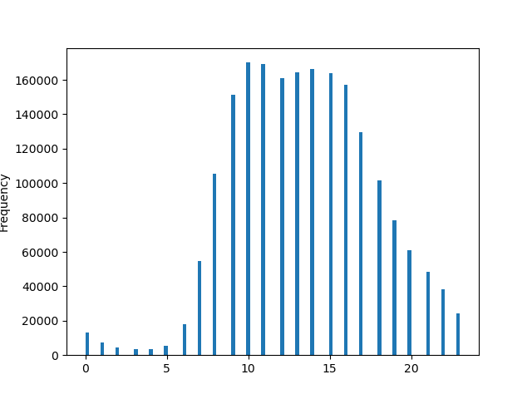
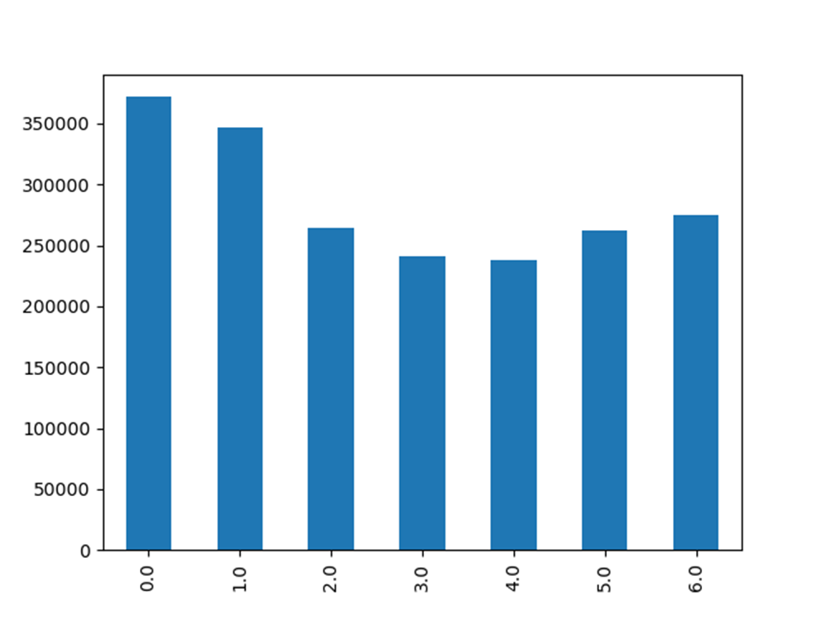

Hours Of Week

 | Table 1.1 Orders By Hours Of the Day |  | Table 1.2 Orders By Days Of The Week

Question 2
The sales team needs to know whether there are particular times of the day when people spend the most money, as this might inform the type of products they advertise at these times
Answer: High frequency of orders with a High expenditure are placed mostly on between Friday and Monday, while low frequency of orders with average or low expenditure happens between Tuesday and Thursday.

Note: Table 2.1 shows total number of orders placed by their total prices. It shows that most orders are placed Friday and Monday. The x-axis represents the order between the days of the week and the y-axis represent total prices. The graph also shows thaeTotal prices of goods bought or simply say money was spent on orders are between 3am to 7am and less money was spent on orders during the midnight. The x-axis in Table 2.2 shouws the hour of days and y-axis shows the prices spent during each hour.
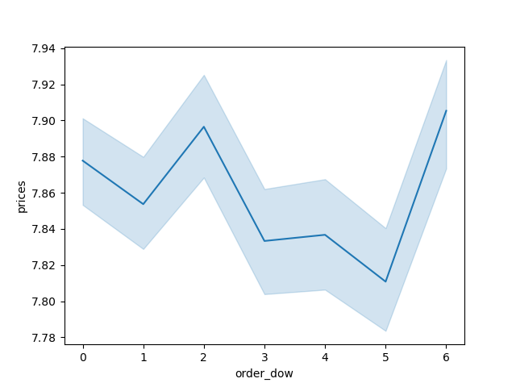
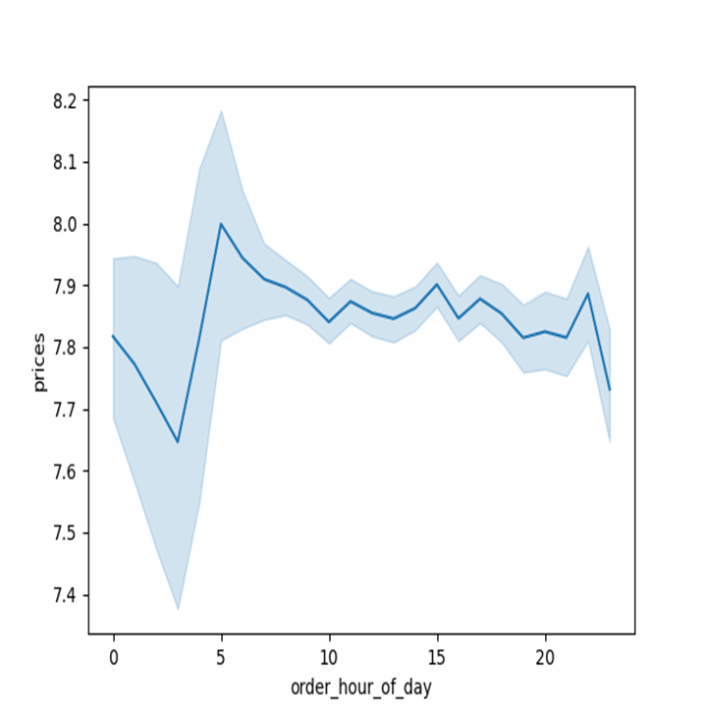

 |  |  | Table 2.2 Total Orders By Hour Of The Day By Prices
Table 2.1 Total Orders By Day By Total Prices

Question 3
Instacart has a lot of products with different price tags. Marketing and sales want to use simpler price range groupings to help direct their efforts.
Answer : Products are organized in three categories: Breakfast type of products, Foods and Other products based on given conditions. Breakfast products which represent food within the breakfast depart and snack has the lowest dollar spent in that category followed by the Food category which consist of deli department and canned food department Other products which has the highest dollar spent in product category consist of other department product types excluding those found in 'breakfast' & 'food' category.
Note: The price range shows that lot of orders are made for products within prices less than 10 and relatively high for products within 10 to 15. But less orders were made for products that are higher than 15. The x-axis represent Product category & y-axis total prices spent by customer on each product category in Table 3.2 . Table 3.1 x-axis represent prices-range spent on products and y-axis is the frequency of each prices.

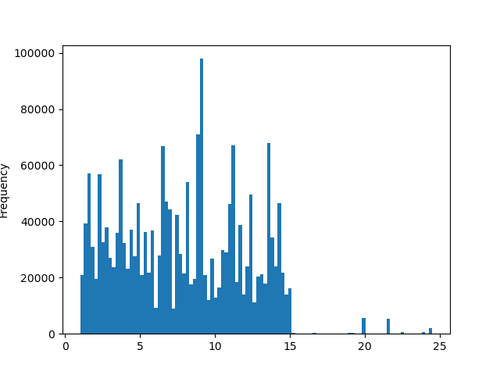
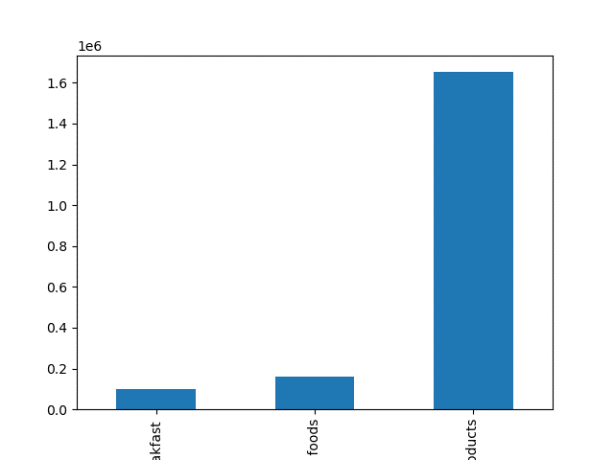

 |  | Table 3.2 Table shows dollar spent (prices) By Product Category
Table 3.1 Total Order By Prices Of products

Question 4
Are there certain types of products that are more popular than others? The marketing and sales teams want to know which departments have the highest frequency of product

Answer: Snacks and personal care are the most popular departments. More customer order more products from Snacks and personal care department type.

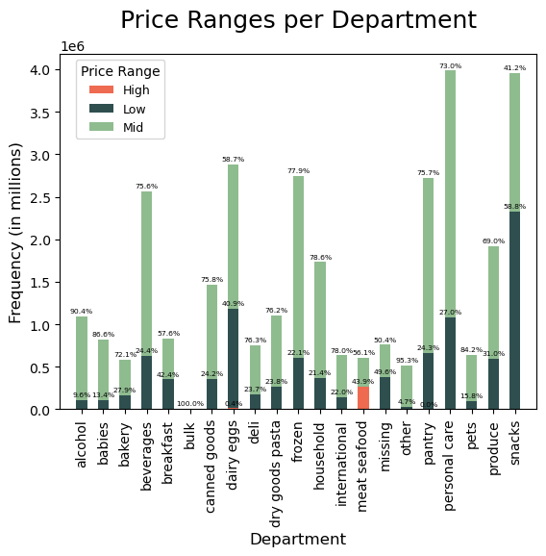

Table 4.1 Percentage distribution of Prices in Department
Question 5E
The marketing and sales teams are particularly interested in the different types of customers in their system and how their ordering behaviors differ.
Is there a connection between age and family status in terms of ordering habits? No, there is no meaningful relation between age and number of dependents in a family ?
Answers: There is no relationship between customer Ages and their Number of Dependents
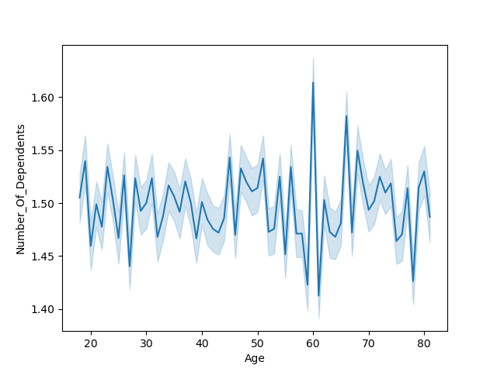

Table 5.1 Relationship Between Age And Income

Question 5A
What’s the distribution among users in regards to their brand loyalty (i.e., how often do they return to Instacart)? 51% of orders have been placed by regular customers, 33% by loyal customers, and the remaining 16% are submitted by new customers
Answer: It shows that Regular customer (Orange) frequently place orders than both loyal customer (yellow) and new customers (pink). Meaning irrespective of how loyal or frequent a customer buys a particular brand of products, the regular customers still order frequently than them.
Note: The x-axis represents the type of loyalty customer (which are in 3 categories Regular, Loyal and New) while the y-axis represent the frequency of orders.
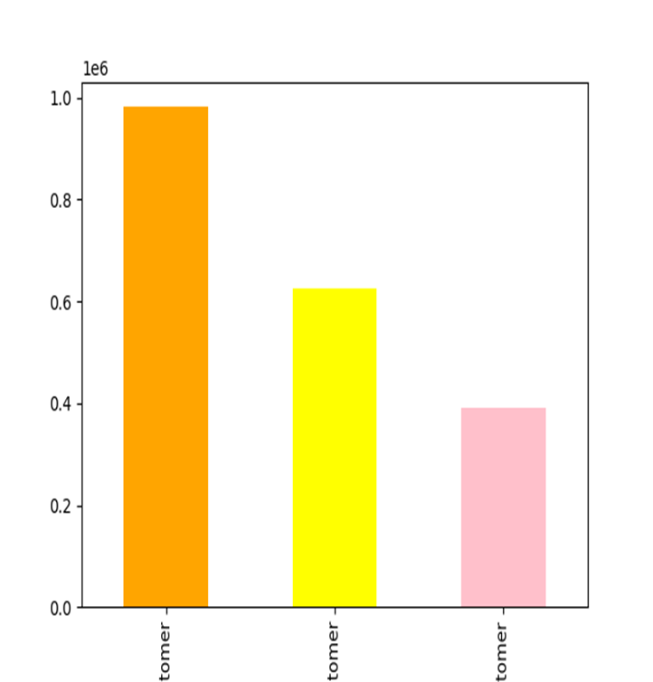

Table 5.2 Customer Loyalty Distribution

Question 5B Are there differences in ordering/spending habits based on a customer’s region?
Answers: Using the Spending Habit graph, it shows the south region customer order the most and that justify they spend the most on orders. There is no much difference in ordering/sending habits of customer from the other 3 regions ( Midwest, Norteast and West).
Customer Spending Habits By Region
 | High spender | Low spender
Midwest | 468052 | 669
Northeast | 353038 | 529
South | 663838 | 766
West | 512344 | 764

Table 5.3 Customer Spending Habit By Region

Question 6 What different classifications does the demographic information suggest? Age? Income? Certain types of goods? Family status?
Answers: The Table 6.1 shows that within all types of Income categories, frequent customer order the most, followed by regular customer and then the non-frequent customers. Meaning, irrespective of the Income level of our customers, the frequent customers are always ordering the most. Table 6.2 shows that in all the type of household we have, most frequent customers are from the South region, followed by the west. It is also seen that household 'couple' with or without children has the most orders done in all the region
The Table 6.3 shows that the middle Age group order the most in all regions among all types of customer. The older Age group make the less orders across all type of customers.

Customer Ordering Habit VS Income Category
 | Non-frequent customer | Regular customer | frequent customer
High | 16616 | 50259 | 177000
Low | 18375 | 48857 | 146869
Middle | 58661 | 175902 | 583855
Upper mid | 44589 | 136079 | 451762
Customer Household Type By Region
 | Midwest | Northeast | South | West
Couple with children | 206195 | 158025 | 298394 | 232519
Couple without children | 105802 | 79196 | 146236 | 111585
One person | 38225 | 29262 | 53770 | 42098
Other family | 22265 | 15814 | 30917 | 23181

Table 6.1 Customer Ordering Habit By Their Income |  |  |  | Table 6.2 Customer Household Ordering Habit By Region

Customer Ordering Habits By Age Category
 | Non-frequent customer | Regular customer | frequent customer
Middle | 54612 | 160236 | 532551
Older | 36022 | 107832 | 361127
Youth | 47607 | 143029 | 465808

Table 6.3 Customer Ordering Habits by Age Category

Question 7 What differences can you find in ordering habits of different customer profiles? Consider the price of orders, the frequency of orders, the products customers are ordering, and anything else you can think of.

Answer: | Customer that are couples makes the most orders while customers that tend to be single make less order and this goes across all income category. Customers that are married and have dependents makes more orders compare to customers that are divorced or living with parents and siblings.
 | Irrespective of customers region, customer that are married/couple always make the most orders across all regions, compare to customers that are single or living with other siblings. As ages increases so do income for those ages increases . Lower income values are seen from people below 40 years old and after 40, income increases considerably and so do ordering habit reflect among those age group with high income. There is a positive relationship
 | The price range shows that lot of orders are made for products within prices less than 10 and relatively high for products within 10 to 15. But less orders were made for products that are higher than 15.

Customer Household By Income Category
 | Couple with children | Couple without children | One person | Other family
High | 120061 | 59937 | 31805 | 1177
Low | 98122 | 47269 | 13286 | 14500
Middle | 360977 | 179598 | 35713 | 74407
Upper mid | 315973 | 156015 | 82551 | 2093
Customer Family Status By No of Dependents
 | divorced/widowed | living with parents and siblings | married | single
 | 163355 | 0 | 0 | 315340
 | 0 | 32107 | 442819 | 0
 | 0 | 30086 | 446936 | 0
 | 0 | 29984 | 448197 | 0

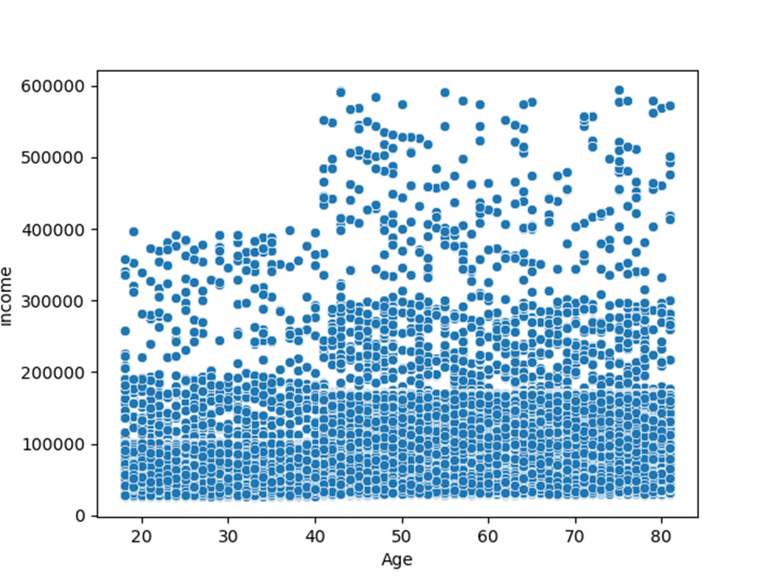
Customer Household Type By Region
 | Midwest | Northeast | South | West
Couple with children | 206195 | 158025 | 298394 | 232519
Couple without children | 105802 | 79196 | 146236 | 111585
One person | 38225 | 29262 | 53770 | 42098
Other family | 22265 | 15814 | 30917 | 23181

7. Recommendations
 | Title page

Recommendations

In this tab you should include any recommendations you would made to Instacart in terms of their marketing strategy based on the questions posed in the brief. Every key question has been covered in the Tasks of the Exercises - here you need to add an item - a visualisation or table/crosstab table that is showing the answer in the data, accompanied by a comment from you. Please, list the questions below and add the answer underneath.

Key Questions | Answers
A | Saturday, Sunday and Friday respectively are the busiest days of the week. In terms of time in a day, between 10am and 3pm is the busiest time to place an order. Orders drop drastically after 6pm until the next day 8am. I suggest ads should be targeted during those peak hours and days since many customer making the orders can have first hand adverts related to the products or prices they frequently go for.
B | High frequency of orders with a low expenditure are placed during the day (9am-5pm). However, a low frequency of orders with a high expenditure happens between 6-8am, early in the morning. IC can apply some discounts/promotions if ordered are placed during some hours/days, mostly during the busy hours/days on more all products types including the products that are expensive so as to bring traffic of customers that do not consider buying high price products.
C | Snacks and personal care are the most popular departments which need more consideration when re-stocking. IC can also focus on the price range that are above 15 and do some form of incentive deals for products that falls between the high range prices which is above 15. Ads can be placed for other incentives for customer that shops product in the low or middle price range which is less than 15. Offer incentives on some product types like the deli product types, other product types, pets, and bakery departments might help them to increase the sales (buy-one-get-one free).
D | 51% of orders have been placed by regular customers, 33% by loyal customers, and the remaining 16% are submitted by new customers. Ordering habits in different regions are almost the same from proportional perspective. We can introduce some discount like 15-20% off for next order in 5 days to motivate customers return more and turn them to the loyal customers.
E | Ads should be targeted at customer with 'single' household status and customers with a 'non-frequent' loyalty status. The two categories of customers seems to be making the least orders when we compare ordering habits across customer profiles across all regions. Most of the ads should focus on when those category of customers make their orders, whether it peak or non-peak periods
F | It appears couples with children and without children place more orders. This means most IC most frequent customer are couples. Ads should be target at other family size customer and sales/marketing team should make sure they have discounted deals that can attract every kind of houshould type. Any type of customer incentives would work for all IC customer in all region since there is no significant difference in income VERSUS regions among our customer, Even though the South region seems to be doing well above other regions

